Sheet1
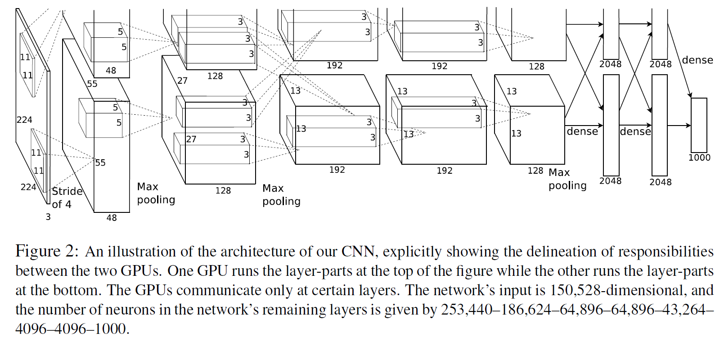
title | ImageNet Classification with Deep ConvolutionalNeural Networks
 | ImageNet(ILSVRC-2010/2) | the dataset of the image classification
 |  | 1,000,000 images and 1000 classes
author | Alex Krizhevsky | Ilya Sutskever | Geoffrey E. Hinton |  | University of Toronto
 |  | give a talk: "3 deep trees"
abstract | parameters | 60,000,000
 | neurons | 650,000
 | top-1 error | the percentage of time that the classifier did not give the correct class highest probability score
 | top-5 error | the percentage of time that the classifier did not include the correct class among the top 5 probabilities or guesses
introduction | give a fact | regulation can avoid overfitting of deep learning
 | contribution | train the largest neural networks and it works well
 |  | highly-optimized GPU implementation of 2D conv
 |  | new and unusual features which impove its performance
 |  | ways about avoiding overfitting
the dataset | ImageNet attend the ILSVRC-2012 competition
 | down-sampled the images to the fixed resolution 256*256
 | training on the RGB values of the pixels not on the SIFT (end2end: raw dataset is the input and no feature extraction on the raw dataset)
 | SIFT | local and based on the appearance of the object at particular interest points, and are invariant to image scale and rotation
the architecture | ReLU | softmax and tanh are saturating nonlinearity functions
 |  | relu f(x) = max {0, x} is non-saturating nonlinearity function and it work faster than softmax and tanh
 | local response normalization | no require input normalization
 | overlapping pooling | make pooling overlapped
 | neural networks | input 224*224*3 (heigth and width is 224, RGB channel is 3)
 |  | model parallel (out-of-fashion now expect huge model)
reducing overfitting | data augmentation | extract random 224*224 patches from 256*256 input images
 |  | PCA image color channel
 |  | dropout output of each hidden neuron (dropout is equal L2 regularization)
details of learning | SGD (stochastic gradient descent) | batch size | 128
 |  | momentum | 0.9
 |  | weight decay | 0.0005 | L2 regularization
 | initialized weights | zero-mean Gaussian distribution with standard deviation 0.01
 | initialized hidden layers | 0/1
 | learning rate decrease | watching and divide learning rate by 10 at a proper epochs
 |  | now we are using more flat curve to decrease learning rate
results | figure 4 | show the result and the figures which have the same features
 |  | show a significant fact: the deep conv net can learn the features of the input vector (images input)
 | table 1 | show the comparison with others
 | figure 2 | show the structure of conv net
 | dif applications of val and test | u can use validation dataset to fine tune and make the model more powerful, but u can only use test dataset to test performance of ur model
 | some unexplained questions | GPU2 can learning some knowledge about color features
 |  | the upper layers, the more wider range features
discussion | the width and depth of net depend
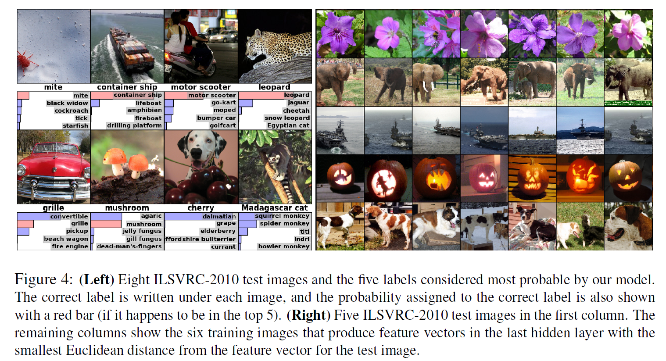
 | no unsupervised pre-training
 | inadequated power of hardware
 | no better than human (at that time)

